MASTER
GUESS KIDS MAINFALL - 6B
SN | IMAGE | STYLE | FABRIC | COLOR | panel wash
1 | 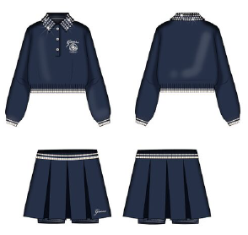 | J6BG04 | KASO / KN233460 - ECO COTTON SCUBA 360 82% Organic COTTON, 16% POLYESTER, 2% Regular ELASTANE/SPANDEX | G7P1-19-3921 TCX BLACKENED BLUE | no
 |  |  |  | G012-11-0605 TCX CREAM WHITE
2 |  | J6BI02 | J1314 / KN234780 - MID ORGANIC STRETCH JERSEY 180 50% Organic COTTON, 45% Regular COTTON, 5% Regular ELASTANE/SPANDEX | G011
 |  |  |  | G532 - 19-1557 TCX CHILLI RED | no
 |  |  |  | G5B7-19-1652 TCX BEET JUICE RED
 |  |  |  | JBLK
3 |  | J6BI10 | J1314 / KN234780 - MID ORGANIC STRETCH JERSEY 180 50% Organic COTTON, 45% Regular COTTON, 5% Regular ELASTANE/SPANDEX | G011
 |  |  |  | JBLK | no
4 | 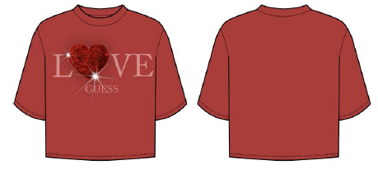 | J6BI20 | J1314 / KN234780 - MID ORGANIC STRETCH JERSEY 180 50% Organic COTTON, 45% Regular COTTON, 5% Regular ELASTANE/SPANDEX | G011
 |  |  |  | G532 - 19-1557 TCX CHILLI RED
 |  |  |  | G7P1-19-3921 TCX BLACKENED BLUE | no
5 | 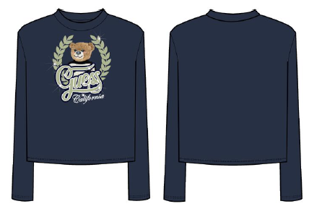 | J6BI21 | J1314 / KN234780 - MID ORGANIC STRETCH JERSEY 180 50% Organic COTTON, 45% Regular COTTON, 5% Regular ELASTANE/SPANDEX | G011
 |  |  |  | G532 - 19-1557 TCX CHILLI RED
 |  |  |  | G7P1-19-3921 TCX BLACKENED BLUE | no
6 | 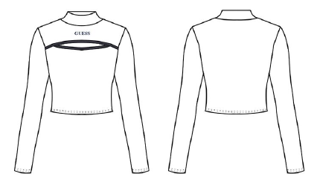 | J6BI23 | J1314 / KN234780 - MID ORGANIC STRETCH JERSEY 180 50% Organic COTTON, 45% Regular COTTON, 5% Regular ELASTANE/SPANDEX | G011
 |  |  |  | G7P1-19-3921 TCX BLACKENED BLUE | no
7 | 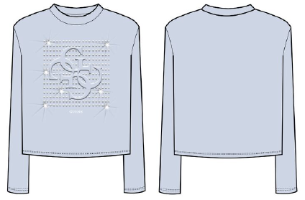 | J6BI30 | J1314 / KN234780 - MID ORGANIC STRETCH JERSEY 180 50% Organic COTTON, 45% Regular COTTON, 5% Regular ELASTANE/SPANDEX | G011
 |  |  |  | JBLK | no
 |  |  |  | G60N
8 |  | J6BI31 | KN234567 -ECO VI COMPACT STR RIB 350 93% ECOVERO -Regular - Green VISCOSE/RAYON, 7% RegularELASTANE/SPANDEX | G011
 |  |  |  | G60N | yes
 |  |  |  | JBLK
9 |  | J6BK21 | KN238373 - POLY VI STRETCH BRUSHED DROP NEEDLE 280 KL66- 60% Regular POLYESTER, 33% Regular VISCOSE/RAYON, 7% Regular ELASTANE/SPANDEX | JBLK | yes
10 | 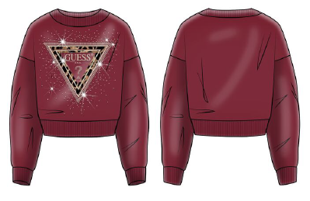 | J6BQ07 | KN235535 -MID ORG. CO BRUSH FLEECE 340 KAV34 50% Regular COTTON,50% OrganicCOTTON | G5B7-19-1652 TCX BEET JUICE RED
 |  |  |  | G012-11-0605 TCX CREAM WHITE | no
 |  |  |  | A62H -13-2803 TCX ROMANTIC LILLAC
 |  |  |  | JBLK
11 |  | J6BQ12 | KN235535 - MID ORG. CO BRUSH FLEECE 340 KAV34 50% Regular COTTON, 50% Organic COTTON | G012-11-0605 TCX CREAM WHITE
 |  |  |  | G7JZ-12-4108 TCX FROZEN LIGHT BLUE | no
12 | 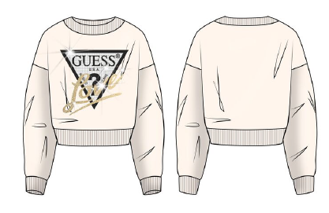 |  | KN235535 - MID ORG. CO BRUSH FLEECE 340 KAV34 50% Regular COTTON, 50% Organic COTTON | G532 - 19-1557 TCX CHILLI RED
 |  | J6BQ20 |  | G012-11-0605 TCX CREAM WHITE
 |  |  |  | JBLK
13 | 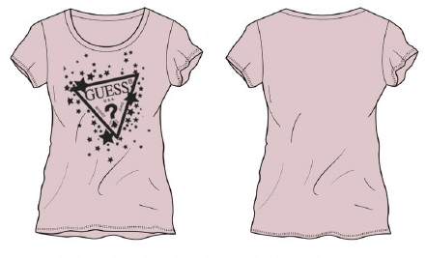 | K6BI01 | KN234780 - MID ORGANIC STRETCH JERSEY 180 J1314 50% Organic COTTON, 45% Regular COTTON, 5% Regular ELASTANE/SPANDEX | A62H -13-2803 TCX ROMANTIC LILLAC
 |  |  |  | G011
 |  |  |  | G532 - 19-1557 TCX CHILLI RED
 |  |  |  | G5B7-19-1652 TCX BEET JUICE RED | no
 |  |  |  | JBLK
14 | 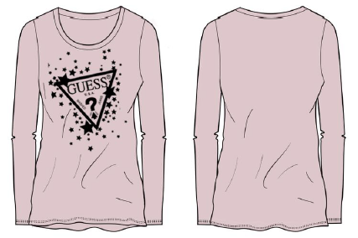 | K6BI03 | KN234780 - MID ORGANIC STRETCH JERSEY 180 J1314 50% Organic COTTON, 45% Regular COTTON, 5% Regular ELASTANE/SPANDEX | A62H -13-2803 TCX ROMANTIC LILLAC | no
 |  |  |  | G011
 |  |  |  | G532 - 19-1557 TCX CHILLI RED
 |  |  |  | G5B7-19-1652 TCX BEET JUICE RED
 |  |  |  | JBLK
15 | 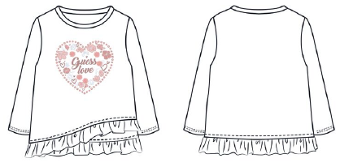 | K6BI16 | KN234780 - MID ORGANIC STRETCH JERSEY 180 J1314 50% Organic COTTON, 45% Regular COTTON, 5% Regular ELASTANE/SPANDEX | G011 | no
16 | 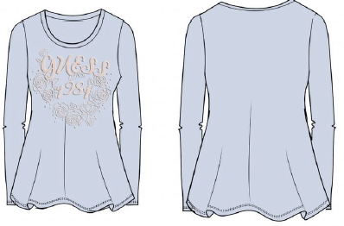 | K6BI18 | KN234780 - MID ORGANIC STRETCH JERSEY 180 J1314 50% Organic COTTON, 45% Regular COTTON, 5% Regular ELASTANE/SPANDEX | G011
 |  |  |  | G60N
 |  |  |  | G7JZ-12-4108 TCX FROZEN LIGHT BLUE | no
17 |  | K6BQ05 | KN237895 - ORGCO/RECYPOLY BRUSHED FLEECE 290 KG99 62% Organic COTTON, 38% Recycled POLYESTER | G532 - 19-1557 TCX CHILLI RED
 |  |  |  | G7P1-19-3921 TCX BLACKENED BLUE | no
18 |  | L6BI05 | KN234781 - MID ORGANIC STREAM JERSEY 180 I3Z14 50% Regular COTTON, 50% Organic COTTON | G7T2 -19-4029 TCX BLUE LILY
 |  |  |  | G7V2-19-3924 TCX -SMART BLUE | no
 |  |  |  | G011
19 |  | L6BI07 | KN234781 - MID ORGANIC STREAM JERSEY 180 I3Z14 50% Regular COTTON, 50% Organic COTTON | G7T2 -19-4029 TCX BLUE LILY
 |  |  |  | G7V2-19-3924 TCX -SMART BLUE | no
 |  |  |  | G011
20 | 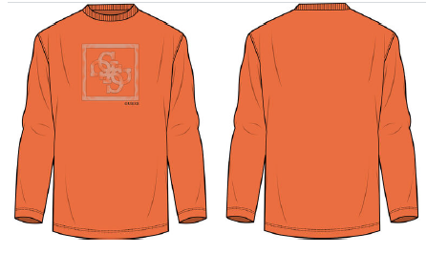 | L6BI28 | KN234781 - MID ORGANIC STREAM JERSEY 180 I3Z14 50% Regular COTTON, 50% Organic COTTON | G011
 |  |  |  | G369 - 16-1460 TCX BRIGHT MANGO | no
 |  |  |  | JBLK
21 |  | L6BI29 | KN238029 - ORG COTTON PAUL SUEDED JERSEY 190 KA26 50% Organic COTTON, 50% Regular | G7EH -17-4020 TCX PARISIAN ROOFBLUE
 |  |  |  | G7V2-19-3924 TCX - SMART BLUE | yes
 |  |  |  | G9L9 -13-0002 TCX - MUTED STONE
22 | 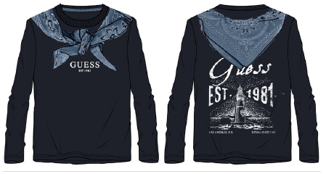 | N6BI10 | KN234781 - MID ORGANIC STREAM JERSEY 180 I3Z14 50% Regular COTTON, 50% Organic | G011
 |  |  |  | G7V2-19-3924 TCX - SMART BLUE | no
 |  |  |  | G7EH -17-4020 TCX PARISIAN ROOFBLUE
23 |  | N6BI11 | KN234781 - MID ORGANIC STREAM JERSEY 180 I3Z14 50% Regular COTTON, 50% Organic | G7EH -17-4020 TCX PARISIAN ROOFBLUE
 |  |  |  | G7V2 SMART BLUE
24 |  | N6BI15 | KN234781 - MID ORGANIC STREAM JERSEY 180 I3Z14 50% Regular COTTON, 50% Organic | G011 PURE WHITE
 |  |  |  | G369 - 16-1460 TCX BRIGHT MANGO | no
 |  |  |  | JBLK
25 |  | N6BI16 | KN234781 - MID ORGANIC STREAM JERSEY 180 I3Z14 50% Regular COTTON, 50% Organic | G011 PURE WHITE
 |  |  |  | G369 - 16-1460 TCX BRIGHT MANGO | no
 |  |  |  | JBLK
26 | 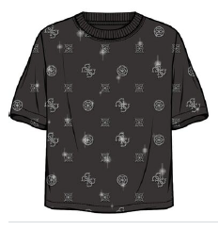 | J6BI41 | I3Z14- 50% Regular COTTON, 50% Organic COTTON 180 GSM | A73K
 |  |  |  | F40T
 |  |  |  | JBLK
27 |  | J6BI44 | I3Z14- 50% Regular COTTON, 50% Organic COTTON 180 GSM | G011
 |  |  |  | JBLK
 |  |  |  | G63C
 |  |  |  | A92U
28 |  | J6BI45 | 50% COTTON, 44% COTTON, 6% ELASTANE/SPANDEX SINGLE RIB-270 GSM | A73K
 |  |  |  | F40K
 |  |  |  | JBLK
29 |  | L6BI36 | I3Z14- 50% Regular COTTON, 50% Organic COTTON 180 GSM | G9D5
30 |  | L6BI39 | 50% Regular COTTON, 50% Organic COTTON 205 GSM | G9B2
 |  |  |  | G9D5

MASTER (2)
GUESS KIDS MAINFALL - 6B |  |  |  |  |  |  |  |  |  |  |  |  | FABRIC |  |  |  |  |  | SIZE SET |  |  |  |  |  | CUTTING |  |  |  |  | VAP-1 |  |  |  |  | VAP-2 |  |  |  |  | VAP-3 |  |  |  |  | FEEDING |  |  |  |  | LINE PLAN
SN |  | IMAGE | STYLE | FABRIC | COLOR | ORDER QTY | PRODUTION QTY | % | TOTAL QTY | PO DATE | DEL DATE | LEAD TIME | PROGRAM PASS | LOT CUTTING | COMMITMENT PLAN | ACUTAL PLAN | LEAD TIME | STATUS | PROCESS | PP MEETING | PLAN | ACUTAL | LEAD TIME | STATUS | PLAN | ACUTAL | LEAD TIME | QTY | STATUS | SUPPLIER | PLAN | ACUTAL | LEAD TIME | STATUS | SUPPLIER | PLAN | ACUTAL | LEAD TIME | STATUS | SUPPLIER | PLAN | ACUTAL | LEAD TIME | STATUS | PLAN | ACUTAL | LEAD TIME | STATUS | REMAING DAYS | SUPPLIER | PLAN | ACUTAL | STATUS
1 | 1126 |  | J6BG04 | FABRIC CODE-KQ63/ KN233460 - ECO COTTON SCUBA 360 -82% Organic COTTON, 16% POLYESTER, 2%Regular ELASTANE/SPANDEX | G7P1-19-3921 TCX BLACKENED BLUE | 1460 |  |  | 1710 | 2026-02-20 | 2026-05-14 | 83 | 2026-02-26 |  | 2026-03-18 |  | 20 |  |  |  | 2026-03-23 |  | 5 |  | 2026-03-29 |  | 6 |  |  | VPR | 2026-04-09 |  | 11 |  | N/A | N/A | N/A | N/A | N/A | N/A | N/A | N/A | N/A | N/A |  | 2026-04-13 |  |  | 27
 |  |  |  |  | G012-11-0605 TCX CREAM WHITE | 250 |  |  |  | 2026-02-20 | 2026-05-14 | 83 | 2026-02-26 |  | 2026-03-18 |  | 20 |  |  |  | 2026-03-23 |  | 5 |  | 2026-03-29 |  | 6 |  |  | VPR | 2026-04-09 |  | 15 |  | N/A | N/A | N/A | N/A | N/A | N/A | N/A | N/A | N/A | N/A |  | 2026-04-13 |  |  | 27
2 | 1085 |  | J6BI02 | FABRIC CODE -J1314 / KN234780 - MID ORGANIC STRETCH JERSEY 180 50% Organic COTTON, 45% Regular COTTON, 5% Regular ELASTANE/SPANDEX | G011 | 2600 | 2738 | 105% | 7100 | 2026-02-20 | 2026-05-14 | 83 | 2026-02-26 |  | 2026-03-14 |  | 16 |  |  |  | 2026-03-19 |  | 5 |  | 2026-03-25 |  | 6 |  |  | FRESH | 2026-04-05 |  | 11 |  | N/A | N/A | N/A | N/A | N/A | N/A | N/A | N/A | N/A | N/A |  | 2026-04-09 |  |  | 31
 |  |  |  |  | G532 - 19-1557 TCX CHILLI RED | 250 | 323 | 129% |  | 2026-02-20 | 2026-05-14 | 83 | 2026-02-26 |  | 2026-03-14 |  | 16 |  |  |  | 2026-03-19 |  | 5 |  | 2026-03-25 |  | 6 |  |  | FRESH | 2026-04-05 |  | 11 |  | N/A | N/A | N/A | N/A | N/A | N/A | N/A | N/A | N/A | N/A |  | 2026-04-09 |  |  | 31
 |  |  |  |  | G5B7-19-1652 TCX BEET JUICE RED | 1100 | 1162 | 106% |  | 2026-02-20 | 2026-05-14 | 83 | 2026-02-26 |  | 2026-03-14 |  | 16 |  |  |  | 2026-03-19 |  | 5 |  | 2026-03-25 |  | 6 |  |  | FRESH | 2026-04-05 |  | 11 |  | N/A | N/A | N/A | N/A | N/A | N/A | N/A | N/A | N/A | N/A |  | 2026-04-09 |  |  | 31
 |  |  |  |  | JBLK | 3150 | 3306 | 105% |  | 2026-02-20 | 2026-05-14 | 83 | 2026-02-26 |  | 2026-03-14 |  | 16 |  |  |  | 2026-03-19 |  | 5 |  | 2026-03-25 |  | 6 |  |  | FRESH | 2026-04-05 |  | 11 |  | N/A | N/A | N/A | N/A | N/A | N/A | N/A | N/A | N/A | N/A |  | 2026-04-09 |  |  | 31
3 | 1084 |  | J6BI10 | FABRIC CODE -J1314 / KN234780 - MID ORGANIC STRETCH JERSEY 180 50% Organic COTTON, 45% Regular COTTON, 5% Regular ELASTANE/SPANDEX | G011 | 300 | 364 | 121% | 1950 | 2026-02-20 | 2026-05-14 | 83 | 2026-02-26 |  | 2026-03-14 |  | 16 |  |  |  | 2026-03-19 |  | 5 |  | 2026-03-25 |  | 6 |  |  | ESS.EMB | 2026-04-05 |  | 11 |  | N/A | N/A | N/A | N/A | N/A | N/A | N/A | N/A | N/A | N/A |  | 2026-04-09 |  |  | 31
 |  |  |  |  | JBLK | 1650 | 1780 | 108% |  | 2026-02-20 | 2026-05-14 | 83 | 2026-02-26 |  | 2026-03-14 |  | 16 |  |  |  | 2026-03-19 |  | 5 |  | 2026-03-25 |  | 6 |  |  | ESS.EMB | 2026-04-07 |  | 13 |  | N/A | N/A | N/A | N/A | N/A | N/A | N/A | N/A | N/A | N/A |  | 2026-04-11 |  |  | 29
4 | 1086 |  | J6BQ07 | FABRIC-KAV34/KN235535 -MID ORG. CO BRUSH FLEECE 340 KAV34 50% Regular COTTON,50% OrganicCOTTON | G5B7-19-1652 TCX BEET JUICE RED | 2000 | 2169 | 108% | 6000 | 2026-02-20 | 2026-05-14 | 83 | 2026-02-26 |  | 2026-03-14 |  | 16 |  |  |  | 2026-03-19 |  | 5 |  | 2026-03-25 |  | 6 |  |  | FRESH | 2026-04-05 |  | 11 |  | VPR |  | 2026-04-16 | 11 |  | ESS.EMB | 2026-04-24 |  | 8 |  |  | 2026-04-28 |  |  | 12
 |  |  |  |  | G012-11-0605 TCX CREAM WHITE | 1650 | 1788 | 108% |  | 2026-02-20 | 2026-05-14 | 83 | 2026-02-26 |  | 2026-03-14 |  | 16 |  |  |  | 2026-03-19 |  | 5 |  | 2026-03-25 |  | 6 |  |  | FRESH | 2026-04-07 |  | 13 |  | VPR |  | 2026-04-18 | 11 |  | ESS.EMB | 2026-04-26 |  | 8 |  |  | 2026-04-30 |  |  | 10
 |  |  |  |  | JBLK | 1550 | 1681 | 108% |  | 2026-02-20 | 2026-05-14 | 83 | 2026-02-26 |  | 2026-03-14 |  | 16 |  |  |  | 2026-03-19 |  | 5 |  | 2026-03-25 |  | 6 |  |  | FRESH | 2026-04-09 |  | 15 |  | VPR |  | 2026-04-20 | 11 |  | ESS.EMB | 2026-04-28 |  | 8 |  |  | 2026-05-02 |  |  | 8
 |  |  |  |  | A62H -13-2803 TCX ROMANTIC LILLAC | 800 | 877 | 110% |  | 2026-02-20 | 2026-05-14 | 83 | 2026-02-26 |  | 2026-03-14 |  | 16 |  |  |  | 2026-03-19 |  | 5 |  | 2026-03-25 |  | 6 |  |  | FRESH | 2026-04-05 |  | 11 |  | VPR |  | 2026-04-16 | 11 |  | ESS.EMB | 2026-04-24 |  | 8 |  |  | 2026-04-28 |  |  | 12
5 | 1087 |  |  | FABIC CODE -KAV34/KN235535 - MID ORG. CO BRUSH FLEECE 340 KAV34 50% Regular COTTON, 50% Organic COTTON | G532 - 19-1557 TCX CHILLI RED | 510 | 575 | 113% | 6020 | 2026-02-20 | 2026-05-14 | 83 | 2026-02-26 |  | 2026-03-14 |  | 16 |  |  |  | 2026-03-19 |  | 5 |  | 2026-03-25 |  | 6 |  |  | FRESH | 2026-04-05 |  | 11 |  | VPR |  | 2026-04-16 | 11 |  | N/A | N/A | N/A | N/A | N/A |  | 2026-04-20 |  |  | 20
 |  |  | J6BQ20 |  | G012-11-0605 TCX CREAM WHITE | 3500 | 3752 | 107% |  | 2026-02-20 | 2026-05-14 | 83 | 2026-02-26 |  | 2026-03-14 |  | 16 |  |  |  | 2026-03-19 |  | 5 |  | 2026-03-25 |  | 6 |  |  | FRESH | 2026-04-07 |  | 20 |  | VPR |  | 2026-04-18 | 11 |  | N/A | N/A | N/A | N/A | N/A |  | 2026-04-22 |  |  | 18
 |  |  |  |  | JBLK | 2010 | 2160 | 107% |  | 2026-02-20 | 2026-05-14 | 83 | 2026-02-26 |  | 2026-03-07 |  | 9 |  |  |  | 2026-03-12 |  | 5 |  | 2026-03-18 |  | 6 |  |  | FRESH | 2026-04-02 |  | 8 |  | VPR |  | 2026-04-13 | 11 |  | N/A | N/A | N/A | N/A | N/A |  | 2026-04-17 |  |  | 23
6 | 1088 |  | K6BI01 | FABRIC CODE -J1314/KN234780 - MID ORGANIC STRETCH JERSEY 180 J1314 50% Organic COTTON, 45% Regular COTTON, 5% Regular ELASTANE/SPANDEX | A62H -13-2803 TCX ROMANTIC LILLAC | 200 | 275 | 138% | 1600 | 2026-02-20 | 2026-05-14 | 83 | 2026-02-26 |  | 2026-03-14 |  | 16 |  |  |  | 2026-03-19 |  | 5 |  | 2026-03-25 |  | 6 |  |  | NAVEEN PRINT | 2026-04-05 |  | 11 |  | N/A | N/A | N/A | N/A | N/A | N/A | N/A | N/A | N/A | N/A |  | 2026-04-09 |  |  | 31
 |  |  |  |  | G011 | 400 | 487 | 122% |  | 2026-02-20 | 2026-05-14 | 83 | 2026-02-26 |  | 2026-03-14 |  | 16 |  |  |  | 2026-03-19 |  | 5 |  | 2026-03-25 |  | 6 |  |  | NAVEEN PRINT | 2026-04-05 |  | 11 |  | N/A | N/A | N/A | N/A | N/A | N/A | N/A | N/A | N/A | N/A |  | 2026-04-09 |  |  | 31
 |  |  |  |  | G532 - 19-1557 TCX CHILLI RED | 350 | 434 | 124% |  | 2026-02-20 | 2026-05-14 | 83 | 2026-02-26 |  | 2026-03-14 |  | 16 |  |  |  | 2026-03-19 |  | 5 |  | 2026-03-25 |  | 6 |  |  | NAVEEN PRINT | 2026-04-05 |  | 11 |  | N/A | N/A | N/A | N/A | N/A | N/A | N/A | N/A | N/A | N/A |  | 2026-04-09 |  |  | 31
 |  |  |  |  | JBLK | 650 | 737 | 113% |  | 2026-02-20 | 2026-05-14 | 83 | 2026-02-26 |  | 2026-03-14 |  | 16 |  |  |  | 2026-03-19 |  | 5 |  | 2026-03-25 |  | 6 |  |  | NAVEEN PRINT | 2026-04-05 |  | 11 |  | N/A | N/A | N/A | N/A | N/A | N/A | N/A | N/A | N/A | N/A |  | 2026-04-09 |  |  | 31
7 | 1089 |  | K6BI03 | FABRIC CODE -J1314/KN234780 - MID ORGANIC STRETCH JERSEY 180 J1314 50% Organic COTTON, 45% Regular COTTON, 5% Regular ELASTANE/SPANDEX | A62H -13-2803 TCX ROMANTIC LILLAC | 1600 | 1705 | 107% | 6450 | 2026-02-20 | 2026-05-14 | 83 | 2026-02-26 |  | 2026-03-14 |  | 16 |  |  |  | 2026-03-19 |  | 5 |  | 2026-03-25 |  | 6 |  |  | NAVEEN PRINT | 2026-04-06 |  | 12 |  | N/A | N/A | N/A | N/A | N/A | N/A | N/A | N/A | N/A | N/A |  | 2026-04-10 |  |  | 30
 |  |  |  |  | G011 | 3100 | 3256 | 105% |  | 2026-02-20 | 2026-05-14 | 83 | 2026-02-26 |  | 2026-03-14 |  | 16 |  |  |  | 2026-03-19 |  | 5 |  | 2026-03-25 |  | 6 |  |  | NAVEEN PRINT | 2026-04-06 |  | 12 |  | N/A | N/A | N/A | N/A | N/A | N/A | N/A | N/A | N/A | N/A |  | 2026-04-10 |  |  | 30
 |  |  |  |  | G532 - 19-1557 TCX CHILLI RED | 550 | 647 | 118% |  | 2026-02-20 | 2026-05-14 | 83 | 2026-02-26 |  | 2026-03-14 |  | 16 |  |  |  | 2026-03-19 |  | 5 |  | 2026-03-25 |  | 6 |  |  | NAVEEN PRINT | 2026-04-06 |  | 12 |  | N/A | N/A | N/A | N/A | N/A | N/A | N/A | N/A | N/A | N/A |  | 2026-04-10 |  |  | 30
 |  |  |  |  | JBLK | 600 | 697 | 116% |  | 2026-02-20 | 2026-05-14 | 83 | 2026-02-26 |  | 2026-03-14 |  | 16 |  |  |  | 2026-03-19 |  | 5 |  | 2026-03-25 |  | 6 |  |  | NAVEEN PRINT | 2026-04-06 |  | 12 |  | N/A | N/A | N/A | N/A | N/A | N/A | N/A | N/A | N/A | N/A |  | 2026-04-10 |  |  | 30
 |  |  |  |  | G5B7-19-1652 TCX BEET JUICE RED | 600 | 673 | 112% |  | 2026-02-20 | 2026-05-14 | 83 | 2026-02-26 |  | 2026-03-14 |  | 16 |  |  |  | 2026-03-19 |  | 5 |  | 2026-03-25 |  | 6 |  |  | NAVEEN PRINT | 2026-04-06 |  | 12 |  | N/A | N/A | N/A | N/A | N/A | N/A | N/A | N/A | N/A | N/A |  | 2026-04-10 |  |  | 30
8 | 1090 |  | L6BI05 | FABRIC CODE- I3Z14/KN234781 - MID ORGANIC STREAM JERSEY 180 I3Z14 50% Regular COTTON, 50% Organic COTTON | G7T2 -19-4029 TCX BLUE LILY | 540 |  |  | 2520 | 2026-02-20 | 2026-05-14 | 83 | 2026-02-26 |  | 2026-03-14 |  | 16 |  |  |  | 2026-03-19 |  | 5 |  | 2026-03-25 |  | 6 |  |  | FRESH | 2026-04-05 |  | 11 |  | N/A | N/A | N/A | N/A | N/A | N/A | N/A | N/A | N/A | N/A |  | 2026-04-09 |  |  | 31
 |  |  |  |  | G7V2-19-3924 TCX -SMART BLUE | 1090 |  |  |  | 2026-02-20 | 2026-05-14 | 83 | 2026-02-26 |  | 2026-03-14 |  | 16 |  |  |  | 2026-03-19 |  | 5 |  | 2026-03-25 |  | 6 |  |  | FRESH | 2026-04-05 |  | 11 |  | N/A | N/A | N/A | N/A | N/A | N/A | N/A | N/A | N/A | N/A |  | 2026-04-09 |  |  | 31
 |  |  |  |  | G011 | 890 |  |  |  | 2026-02-20 | 2026-05-14 | 83 | 2026-02-26 |  | 2026-03-14 |  | 16 |  |  |  | 2026-03-19 |  | 5 |  | 2026-03-25 |  | 6 |  |  | FRESH | 2026-04-05 |  | 11 |  | N/A | N/A | N/A | N/A | N/A | N/A | N/A | N/A | N/A | N/A |  | 2026-04-09 |  |  | 31
 |  |  |  |  |  |  |  |  | 33350
9 |  | 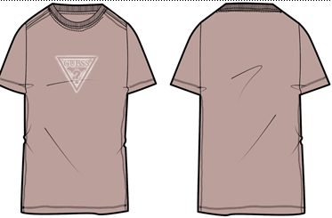 | M6BI40K6177 - CN SS TRIANGLE SPRAY TEE | FABRIC CODE-J1314-40s/30D-50% ORG COTTON/45%REG COTTON/5%LYCRA JSY 180 GSM | A74B- | 2000 |  |  | 15175 | 2026-02-20 | 2026-05-14 | 83 | 2026-02-26 |  | 2026-03-14 |  | 16 |  |  |  | 2026-03-19 |  | 5 |  | 2026-03-25 |  | 6 |  |  | FRESH | 2026-04-09 |  | 15 |  | N/A | N/A | N/A | N/A | N/A | N/A | N/A | N/A | N/A | N/A |  | 2026-04-13 |  |  | 27
 |  |  |  |  | FJHG | 2637 |  |  |  | 2026-02-20 | 2026-05-14 | 83 | 2026-02-26 |  | 2026-03-14 |  | 16 |  |  |  | 2026-03-19 |  | 5 |  | 2026-03-25 |  | 6 |  |  | FRESH | 2026-04-09 |  | 15 |  | N/A | N/A | N/A | N/A | N/A | N/A | N/A | N/A | N/A | N/A |  | 2026-04-13 |  |  | 27
 |  |  |  |  | WHITE | 5698 |  |  |  | 2026-02-20 | 2026-05-14 | 83 | 2026-02-26 |  | 2026-03-14 |  | 16 |  |  |  | 2026-03-19 |  | 5 |  | 2026-03-25 |  | 6 |  |  | FRESH | 2026-04-09 |  | 10 |  | N/A | N/A | N/A | N/A | N/A | N/A | N/A | N/A | N/A | N/A |  | 2026-04-13 |  |  | 27
 |  |  |  |  | G5B0 | 2252 |  |  |  | 2026-02-20 | 2026-05-14 | 83 | 2026-02-26 |  | 2026-03-19 |  | 21 |  |  |  | 2026-03-24 |  | 5 |  | 2026-03-30 |  | 6 |  |  | FRESH | 2026-04-14 |  | 15 |  | N/A | N/A | N/A | N/A | N/A | N/A | N/A | N/A | N/A | N/A |  | 2026-04-18 |  |  | 22
 |  |  |  |  | G7V2-SMART BLUE | 808 |  |  |  | 2026-02-20 | 2026-05-14 | 83 | 2026-02-26 |  | 2026-03-19 |  | 21 |  |  |  | 2026-03-24 |  | 5 |  | 2026-03-30 |  | 6 |  |  | FRESH | 2026-04-14 |  | 15 |  | N/A | N/A | N/A | N/A | N/A | N/A | N/A | N/A | N/A | N/A |  | 2026-04-18 |  |  | 22
 |  |  |  |  | G5B7-19-1652 TCX BEET JUICE RED | 1780 |  |  |  | 2026-02-20 | 2026-05-14 | 83 | 2026-02-26 |  | 2026-03-19 |  | 21 |  |  |  | 2026-03-24 |  | 5 |  | 2026-03-30 |  | 6 |  |  | FRESH | 2026-04-14 |  | 15 |  | N/A | N/A | N/A | N/A | N/A | N/A | N/A | N/A | N/A | N/A |  | 2026-04-18 |  |  | 22

 |  |  |  |  |  |  |  |  | 48525

10 |  | 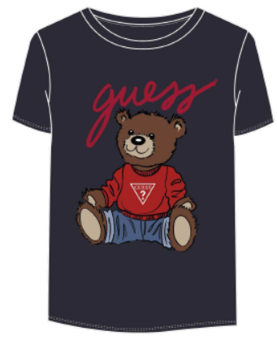 | H4BJ06 | 50% Regular COTTON, 50% Organic COTTON 180 GSM | JBLK | 300
 |  |  |  |  | PURE WHITE | 1500
11 |  |  | H4BT01 | 50% Regular COTTON, 50% Organic COTTON 180 GSM | PURE WHITE | 300 |  |  |  |  |  |  |  |  |  |  |  |  |  |  |  |  |  | 34830
12 |  |  | J4YG01 | TOP -50% ORGANIC COTTON 50% REGULAR COTTON, PANT-50% ORGANIC COTTON 45% REGULAR 5% ELASTAN-180 GSM | JET BLACK | 1250 |  |  |  |  | SINGLE JERSEY -180 GSM ( 25'S 50% ORGANIC COTTON 50% REGULAR COTTON |  |  |  | PURE WHITE |  |  | 6300 |  |  |  |  |  | 33350
13 |  | 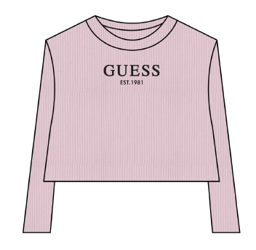 | J4YI49 | 50% Organic COTTON, 44% Regular 6% elastan COTTON 230 GSM | JBLK | 1050 |  |  |  |  | SINGLE JERSEY -180 GSM ( 25'S 50% ORGANIC COTTON 50% REGULAR COTTON |  |  |  | GREIGE |  |  | 6300
 |  |  |  |  | BALLAT PINK | 450
 |  |  |  |  | PURE WHITE | 1350
14 |  |  | J6BI20 | J1314 / KN234780 - MID ORGANIC STRETCH JERSEY 180 50% Organic COTTON, 45% Regular COTTON, 5% Regular ELASTANE/SPANDEX | G011 | 1600
 |  |  |  |  | G532 - 19-1557 TCX CHILLI RED | 1500
 |  |  |  |  | G7P1-19-3921 TCX BLACKENED BLUE | 650
15 |  |  | J6BI21 | J1314 / KN234780 - MID ORGANIC STRETCH JERSEY 180 50% Organic COTTON, 45% Regular COTTON, 5% Regular ELASTANE/SPANDEX | G011 | 1200
 |  |  |  |  | G532 - 19-1557 TCX CHILLI RED | 250
 |  |  |  |  | G7P1-19-3921 TCX BLACKENED BLUE | 1300
16 |  |  | J6BI23 | J1314 / KN234780 - MID ORGANIC STRETCH JERSEY 180 50% Organic COTTON, 45% Regular COTTON, 5% Regular ELASTANE/SPANDEX | G011 | 600
17 |  |  | J6BI30 | J1314 / KN234780 - MID ORGANIC STRETCH JERSEY 180 50% Organic COTTON, 45% Regular COTTON, 5% Regular ELASTANE/SPANDEX | G011 | 2700
 |  |  |  |  | JBLK | 2000
 |  |  |  |  | G60N | 500
18 |  |  | J6BI31 | KN234567 -ECO VI COMPACT STR RIB 350 93% ECOVERO -Regular - Green VISCOSE/RAYON, 7% RegularELASTANE/SPANDEX | G011 | 1200
 |  |  |  |  | JBLK | 350
19 |  |  | J6BI41 | I3Z14- 50% Regular COTTON, 50% Organic COTTON 180 GSM | JBLK | 450
20 |  |  | J6BI44 | I3Z14- 50% Regular COTTON, 50% Organic COTTON 180 GSM | G011 | 600
 |  |  |  |  | JBLK | 350
 |  |  |  |  | G63C | 400
21 |  |  | J6BQ12 | KN235535 - MID ORG. CO BRUSH FLEECE 340 KAV34 50% Regular COTTON, 50% Organic COTTON | G012-11-0605 TCX CREAM WHITE | 500
 |  |  |  |  | G7JZ-12-4108 TCX FROZEN LIGHT BLUE | 1200
22 |  |  | K6BI16 | KN234780 - MID ORGANIC STRETCH JERSEY 180 J1314 50% Organic COTTON, 45% Regular COTTON, 5% Regular ELASTANE/SPANDEX | G011 | 300
23 |  |  | K6BI18 | KN234780 - MID ORGANIC STRETCH JERSEY 180 J1314 50% Organic COTTON, 45% Regular COTTON, 5% Regular ELASTANE/SPANDEX | G011 | 400
 |  |  |  |  | G60N | 450
 |  |  |  |  | G7JZ-12-4108 TCX FROZEN LIGHT BLUE | 250
24 |  |  | K6BQ05 | KN237895 - ORGCO/RECYPOLY BRUSHED FLEECE 290 KG99 62% Organic COTTON, 38% Recycled POLYESTER | G7P1-19-3921 TCX BLACKENED BLUE | 250
25 |  |  | L5BI13 | 50% Regular COTTON, 50% Organic COTTON 180 GSM | SMART BLUE | 1100
 |  |  |  |  | PURE WHITE | 1000
26 |  |  | L5BI16 | 50% Regular COTTON, 50% Organic COTTON 210 GSM | JBLK | 550
 |  |  |  |  | PURE WHITE | 550
27 |  |  | L6BI07 | KN234781 - MID ORGANIC STREAM JERSEY 180 I3Z14 50% Regular COTTON, 50% Organic COTTON | G011 | 300
28 |  |  | N4BI08 | 50% Regular COTTON, 50% Organic COTTON 180 GSM | SMART BLUE | 250
 |  |  |  |  | PURE WHITE | 180
29 |  |  | N6BI10 | KN234781 - MID ORGANIC STREAM JERSEY 180 I3Z14 50% Regular COTTON, 50% Organic | G011 | 950
 |  |  |  |  | G7V2-19-3924 TCX - SMART BLUE | 200
 |  |  |  |  | G7EH -17-4020 TCX PARISIAN ROOFBLUE | 150
30 |  |  | N6BI11 | KN234781 - MID ORGANIC STREAM JERSEY 180 I3Z14 50% Regular COTTON, 50% Organic | G7EH -17-4020 TCX PARISIAN ROOFBLUE | 1100
 |  |  |  |  | G7V2 SMART BLUE | 700
31 |  |  | N6BI15 | KN234781 - MID ORGANIC STREAM JERSEY 180 I3Z14 50% Regular COTTON, 50% Organic | G369 - 16-1460 TCX BRIGHT MANGO | 250
 |  |  |  |  | JBLK | 350
32 |  |  | N6BI16 | KN234781 - MID ORGANIC STREAM JERSEY 180 I3Z14 50% Regular COTTON, 50% Organic | G011 PURE WHITE | 1500
 |  |  |  |  | G369 - 16-1460 TCX BRIGHT MANGO | 150
 |  |  |  |  | JBLK | 350

